PMTE

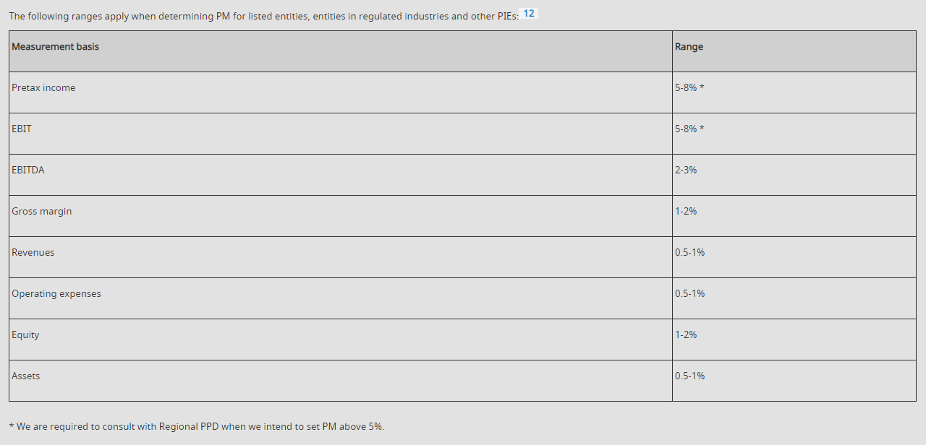
 | 31/12/2023 | 31/12/2023 | 2023-09-30
 | mVND | mVND | mVND
 | Single | Single | Single
Revenue/ Gross margin | 7,428,701 | 4,968,991 | 3,726,743
PM (0.5% Revenue) | 37,144 | 24,845 | 18,634
TE (50%PM) | 18,572 | 12,422 | 9,317
SAD (5% PM) | 929 | 621 | 466

